Havaianas Slippers
Havaianas Slipper

Take All Offer Only

 | Style | Description | Color | 8 | 9/10 | 11/12 | # Units | Retail Price
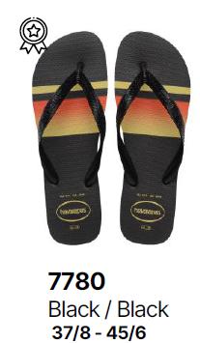 | 4131932 | Top Basic | 7780- Black/Black | 2,400 | 4,800 | 3,600 | 10,800 | $20.00
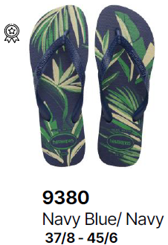 | 4111355 | Aloha | 9380- Navy Blue/Navy | 2,400 | 4,800 | 3,600 | 10,800 | $34.00
 |  |  |  |  |  |  | 21,600

